Spending Data
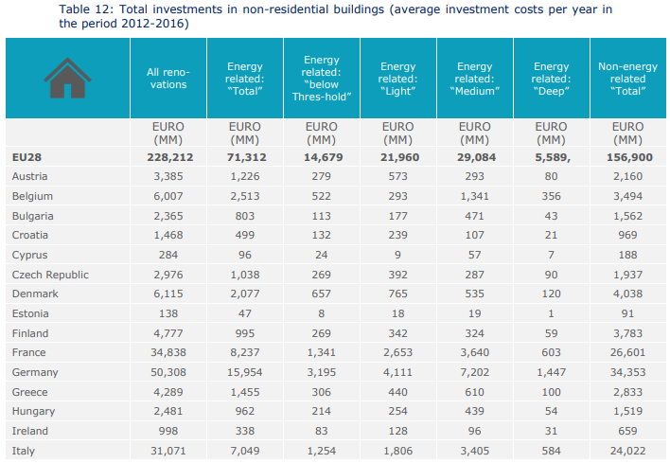
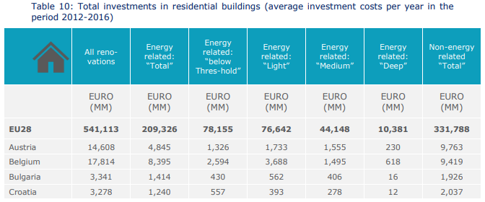
EU spending on energy renovations (euro/year)
 | Energy related: "Total" | Energy related: "ABOVE threshold" | units = million Euros (MM)
Residential buildings | 1.81E+11 | 1.11E+11
Non-residential buildings | 6.40E+10 | 5.07E+10
Total | 2.45E+11 | 1.62E+11

Public financing | 8.42E+09 | 8.42E+09

Share of cost covered by public financing | 3.43% | 5.20%

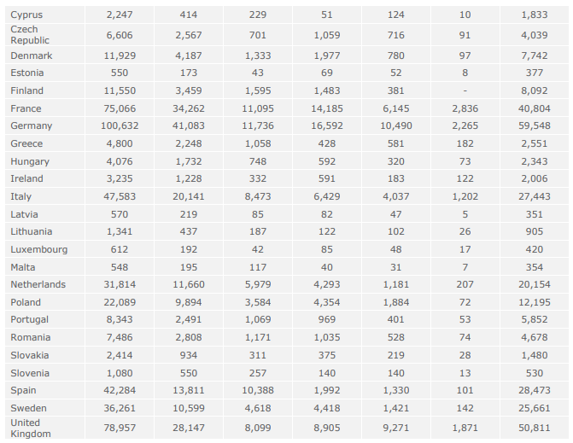

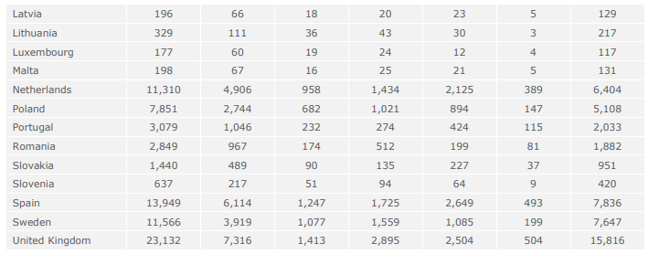

 |  |  | Residential
 |  |  |  | Energy related: "Total" | Energy related: "ABOVE threshold"
 |  |  | EU28 | 209326 | 131171
 |  |  | UK | 28147 | 20048

 |  |  | Non-Residential
 |  |  |  | Energy related: "Total" | Energy related: "ABOVE threshold"
 |  |  | EU28 | 71312 | 56633
 |  |  | UK | 7316 | 5903

Public Financing
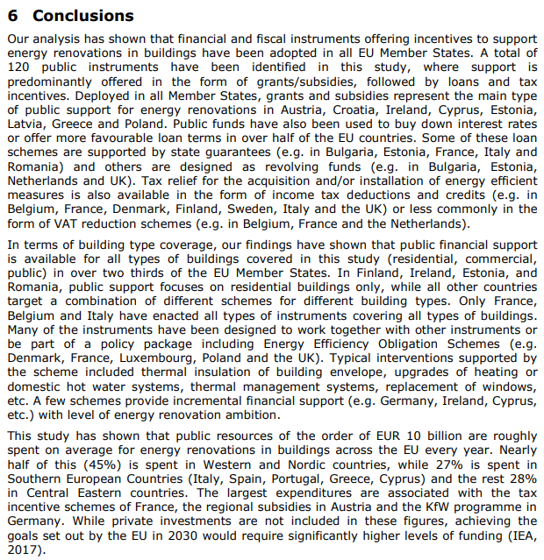
Public resources spent on average for energy renovations in buildings across the EU every year: EUR 10 billion
 | 1.00E+10
Percentage of EUR 10 billion spent in the following countries:
 | 45% | Western and Nordic countries
 | 27% | Southern European countries (Italy, Spain, Portugal, Greece, Cyprus)
 | 28% | Central Eastern countries
 | 100%

 | Western and Nordic countries | Population in 2020; source: Google | Percentage | 1.00E+06
 | Belgium | 1.16E+07 | 6.1%
 | Denmark | 5.83E+06 | 3.1%
 | Finland | 5.53E+06 | 2.9%
 | France | 6.74E+07 | 35.3%
 | Ireland | 5.00E+06 | 2.6%
 | Luxembourg | 6.32E+05 | 0.3%
 | Netherlands | 1.74E+07 | 9.1%
 | Sweden | 1.04E+07 | 5.4%
 | United Kingdom | 6.72E+07 | 35.2%
 | Total | 1.91E+08 | 100.0%

Use 2020 population data to translate EU public resource spending data from EU28 to EU27:
 | UK public resource spending | 1.58E+09
 | EU27 public resource spending | 8.42E+09

